BFCF
Conversion | StartYear | EndYear | The following values were originally provided in this template. These values were the same for all regional templates. No datasource for these values is available, , though they appear to match the values developed for the California inventory.
 |  |  | Conversion | StartYear | EndYear
 |  |  | 6.02 | 1900 | 1979
 |  |  | 5.35 | 1980 | 1989
 |  |  | 4.72 | 1990 | 2000
 |  |  | 4.62 | 2001 | 2006
 |  |  | 3.96 | 2007 | 2025

 |  |  | The user can use the original defaults provided above, with no datasources provided.
 |  |  | Or the user can select the value from the most appropriate USFS Regional HWP C report. There is a single value provided in these reports for all years. Citations are provided.

 |  |  | Recommended USFS Region | BF:CF Conversion | Data source
 |  |  | R8 Southern | 5.20 | Loeffler, Dan; Anderson, Nathaniel; Stockmann, Keith; Skog, Ken; Healey, Sean; Jones, J. Greg; Morrison, James; Young, Jesse. 2014. Estimates of carbon stored in harvested wood products from United States Forest Service Southern Region, 1911-2012. Unpublished report. Missoula, MT: U.S. Department of Agriculture, Forest Service, Rocky Mountain Research Station, Forestry Sciences Laboratory. 27 p.
 |  |  |  |  |  | Corresponding USFS Regional Reports:
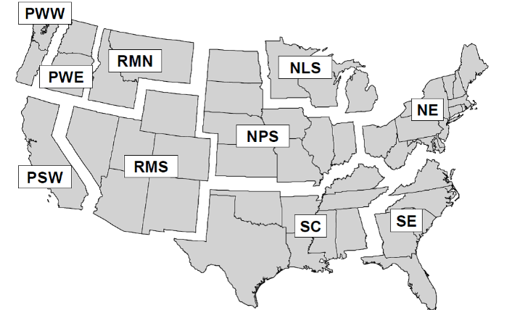
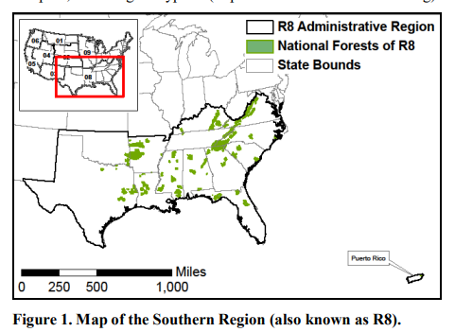

 |  |  | Figure 4.1: Definition of regions: Pacific Northwest, West (PWW); Pacific Northwest, East (PWE); Pacific Southwest (PSW ); Rocky Mountain, North (RMN); Rocky Mountain, South (RMS); Northern Prairie States (NPS); Northern Lake States (NLS); Northeast (NE); South Central (SC); and Southeast (SE). Note that regions are merged for some template files, these combiantions include: NLS and NPS as North Central, RMN and RMS as Rocky Mountain; and RMN, RMSE, PWE and PSW as West (Smith et al. 2006)

